Front - Drops
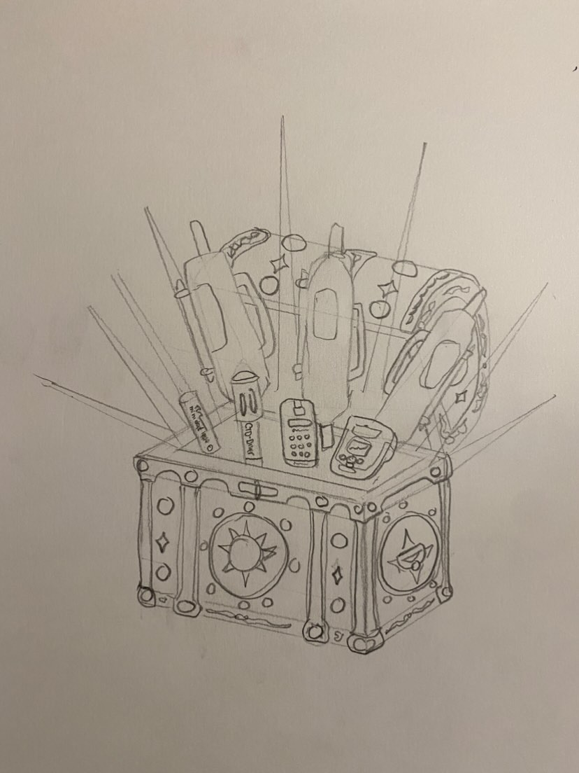
 |  | Date (YYYY-MM-DD):______________ |  |  | Crew:____________________________ |  |  | Departure time:______________ |  | Return time:______________
 |  | Survey:_________________________ |  |  | Weather:________________________ |  |  | Omitted stations:____________________ |  |  | Time Zone:__________
 |  | Remember to shake instrumentation when in the water to get rid of bubbles

Station Name | Sampling Event |  |  | Garmin Coordinates |  | Time (Local) |  |  | Sample Depth (m) | Comments
 | Sampling Event #¹ | Cast Type | Samples Collected | Latitude (°N / °S) | Longitude (°W / °E) | Start | Instrument Sample | Water Sample² |  | (e.g. can record out of water time, or changes/mistakes made)

¹Event number is {kit#}_{event#}. Kit# will not change, event# is growing consectuively indefinitely. Ex: Kit 4 may have Sampling Event number 4_34
²Water Sample Time is the time the sampling bottles are triggered. It will be different than Instrument Sample Time if more than one depth is sampled on the same line.

